Sheet1
With RUV

 | Decrease | Unchange | Increase
0 | 1040 | 2230 | 1191
1 | 942 | 3179 | 1153
2 | 281 | 328 | 361
3 | 168 | 231 | 136
4 | 908 | 1959 | 1069
5 | 156 | 80 | 134
all | 3495 | 8007 | 4044

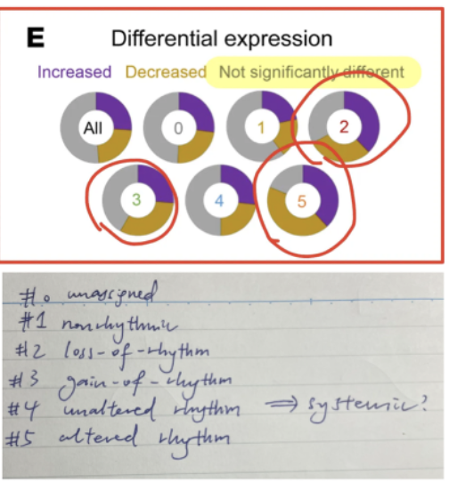

Without RUV

 | Decrease | Unchange | Increase
0 | 823 | 2213 | 882
1 | 1055 | 5220 | 1202
2 | 228 | 270 | 294
3 | 82 | 174 | 81
4 | 545 | 1641 | 683
5 | 63 | 29 | 61
all | 2796 | 9547 | 3203

